Total Iterations vs EoS
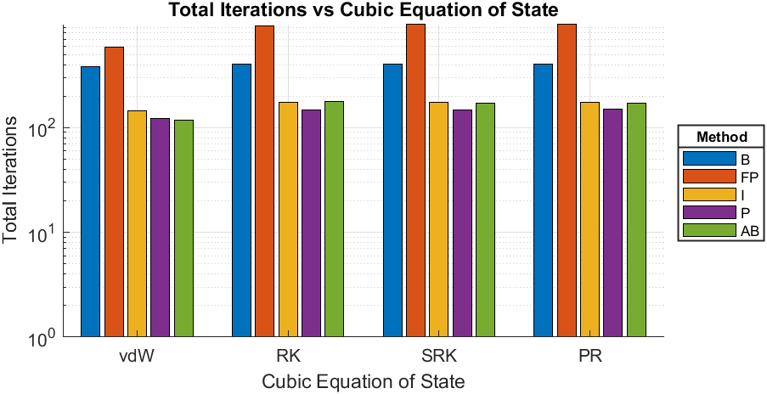
Compound | Chlorine
Triple Temperature [K] | 172.12
Close to Critical Temperature (CCT) [K] | 417.1
EoS | Calculated Triple Pressure [bar] | Calculated Pressure given CCT [bar] | Total Iterations-B | Total Iterations-FP | Total Iterations-I | Total Iterations-P | Total Iterations-AB
van der Waals | 0.51476 | 77.0269 | 384 | 589 | 144 | 123 | 117
Redlich-Kwong | 0.0077767 | 76.9985 | 404 | 930 | 174 | 147 | 179
Soave-Redlich-Kwong | 0.015622 | 76.9938 | 405 | 964 | 175 | 148 | 172
Peng-Robinson | 0.018224 | 76.9985 | 407 | 975 | 174 | 149 | 170

vdW - Iterations vs Psat
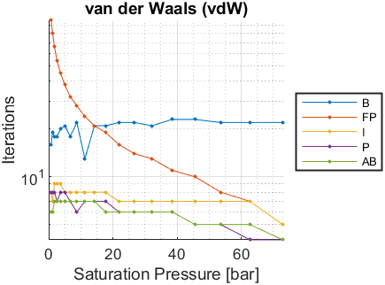
Psat [bar] | Tsat-B [K] | Iterations-B | Tsat-FP [K] | Iterations-FP | Tsat-I [K] | Iterations-I | Tsat-P [K] | Iterations-P | Tsat-AB [K] | Iterations-AB
0.475 | NaN | NaN | NaN | NaN | NaN | NaN | NaN | NaN | NaN | NaN
0.773 | 181.1849 | 16 | 181.1843 | 97 | 181.1846 | 8 | 181.1846 | 8 | 181.1846 | 6
1.203 | 192.1688 | 19 | 192.1687 | 81 | 192.1689 | 7 | 192.1689 | 8 | 192.1689 | 6
1.802 | 203.3957 | 18 | 203.3957 | 66 | 203.3959 | 9 | 203.3959 | 8 | 203.3959 | 7
2.608 | 214.8287 | 18 | 214.8285 | 54 | 214.8286 | 9 | 214.8286 | 7 | 214.8286 | 7
3.664 | 226.474 | 20 | 226.4739 | 45 | 226.474 | 9 | 226.474 | 8 | 226.474 | 7
5.014 | 238.32 | 21 | 238.3199 | 38 | 238.3199 | 8 | 238.3199 | 8 | 238.3199 | 7
6.702 | 250.3481 | 18 | 250.348 | 32 | 250.3481 | 8 | 250.348 | 7 | 250.348 | 7
8.774 | 262.554 | 22 | 262.554 | 28 | 262.554 | 8 | 262.554 | 6 | 262.554 | 7
11.27 | 274.9027 | 13 | 274.9027 | 24 | 274.9027 | 8 | 274.9027 | 7 | 274.9027 | 7
14.25 | 287.4556 | 21 | 287.4556 | 21 | 287.4556 | 8 | 287.4556 | 7 | 287.4556 | 7
17.76 | 300.1925 | 21 | 300.1925 | 19 | 300.1925 | 8 | 300.1925 | 7 | 300.1925 | 6
21.85 | 313.1142 | 22 | 313.1142 | 16 | 313.1142 | 7 | 313.1142 | 6 | 313.1142 | 6
26.65 | 326.4277 | 22 | 326.4277 | 14 | 326.4277 | 7 | 326.4277 | 6 | 326.4277 | 6
32.17 | 339.9691 | 21 | 339.9691 | 13 | 339.9691 | 7 | 339.9691 | 6 | 339.9691 | 6
38.44 | 353.6779 | 23 | 353.6779 | 11 | 353.6779 | 7 | 353.6779 | 6 | 353.6779 | 6
45.54 | 367.6093 | 23 | 367.6093 | 10 | 367.6093 | 7 | 367.6093 | 5 | 367.6093 | 5
53.57 | 381.8324 | 22 | 381.8324 | 8 | 381.8324 | 7 | 381.8324 | 5 | 381.8324 | 5
62.68 | 396.4669 | 22 | 396.4669 | 7 | 396.4669 | 7 | 396.4669 | 4 | 396.4669 | 5
72.84 | 411.3331 | 22 | 411.3331 | 5 | 411.3331 | 5 | 411.3331 | 4 | 411.3331 | 4

RK - Iterations vs Psat
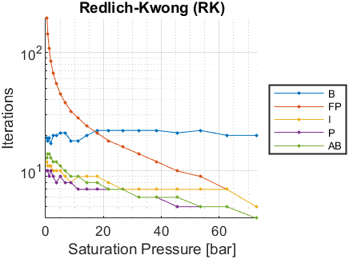
Psat [bar] | Tsat-B [K] | Iterations-B | Tsat-FP [K] | Iterations-FP | Tsat-I [K] | Iterations-I | Tsat-P [K] | Iterations-P | Tsat-AB [K] | Iterations-AB
0.475 | 225.2444 | 19 | 225.244 | 194 | 225.2444 | 12 | 225.2443 | 10 | 225.2441 | 13
0.773 | 234.6219 | 18 | 234.6215 | 143 | 234.6217 | 11 | 234.6216 | 10 | 234.6217 | 14
1.203 | 244.0424 | 19 | 244.0422 | 108 | 244.0424 | 11 | 244.0424 | 9 | 244.0424 | 14
1.802 | 253.5227 | 17 | 253.5226 | 84 | 253.5228 | 11 | 253.5228 | 10 | 253.5228 | 13
2.608 | 263.0373 | 20 | 263.0373 | 67 | 263.0374 | 10 | 263.0374 | 9 | 263.0374 | 12
3.664 | 272.598 | 20 | 272.5979 | 55 | 272.5979 | 10 | 272.5979 | 8 | 272.5979 | 12
5.014 | 282.2008 | 21 | 282.2007 | 45 | 282.2008 | 10 | 282.2008 | 9 | 282.2008 | 11
6.702 | 291.8357 | 21 | 291.8357 | 38 | 291.8357 | 9 | 291.8357 | 8 | 291.8357 | 10
8.774 | 301.504 | 18 | 301.5039 | 32 | 301.504 | 8 | 301.504 | 8 | 301.504 | 9
11.27 | 311.1838 | 18 | 311.1837 | 28 | 311.1838 | 9 | 311.1838 | 7 | 311.1838 | 9
14.25 | 320.9255 | 20 | 320.9255 | 24 | 320.9255 | 9 | 320.9255 | 7 | 320.9255 | 8
17.76 | 330.7181 | 22 | 330.7181 | 21 | 330.7181 | 9 | 330.7181 | 7 | 330.7181 | 8
21.85 | 340.5636 | 22 | 340.5635 | 18 | 340.5635 | 8 | 340.5635 | 7 | 340.5635 | 7
26.65 | 350.6199 | 22 | 350.6198 | 16 | 350.6198 | 7 | 350.6198 | 7 | 350.6198 | 7
32.17 | 360.7638 | 22 | 360.7638 | 14 | 360.7638 | 7 | 360.7638 | 6 | 360.7638 | 6
38.44 | 370.951 | 22 | 370.951 | 12 | 370.951 | 7 | 370.951 | 6 | 370.951 | 6
45.54 | 381.2247 | 21 | 381.2247 | 10 | 381.2247 | 7 | 381.2247 | 5 | 381.2247 | 6
53.57 | 391.6344 | 22 | 391.6344 | 9 | 391.6344 | 7 | 391.6344 | 5 | 391.6344 | 5
62.68 | 402.2661 | 20 | 402.2661 | 7 | 402.2661 | 7 | 402.2661 | 5 | 402.2661 | 5
72.84 | 412.9897 | 20 | 412.9897 | 5 | 412.9897 | 5 | 412.9897 | 4 | 412.9897 | 4

SRK - Iterations vs Psat
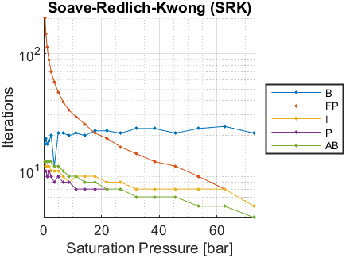
Psat [bar] | Tsat-B [K] | Iterations-B | Tsat-FP [K] | Iterations-FP | Tsat-I [K] | Iterations-I | Tsat-P [K] | Iterations-P | Tsat-AB [K] | Iterations-AB
0.475 | 222.5002 | 17 | 222.4994 | 201 | 222.4998 | 12 | 222.4998 | 10 | 222.4998 | 12
0.773 | 232.5524 | 19 | 232.5523 | 148 | 232.5525 | 11 | 232.5525 | 10 | 232.5525 | 12
1.203 | 242.6 | 17 | 242.5998 | 113 | 242.5999 | 11 | 242.5999 | 9 | 242.5999 | 12
1.802 | 252.6564 | 18 | 252.6563 | 88 | 252.6565 | 11 | 252.6565 | 10 | 252.6565 | 12
2.608 | 262.6929 | 20 | 262.6928 | 70 | 262.6929 | 10 | 262.6928 | 9 | 262.6929 | 12
3.664 | 272.7197 | 11 | 272.7196 | 57 | 272.7196 | 10 | 272.7196 | 8 | 272.7196 | 11
5.014 | 282.7314 | 21 | 282.7313 | 47 | 282.7314 | 10 | 282.7314 | 9 | 282.7314 | 11
6.702 | 292.7163 | 21 | 292.7162 | 39 | 292.7162 | 9 | 292.7162 | 8 | 292.7163 | 10
8.774 | 302.6747 | 20 | 302.6747 | 33 | 302.6747 | 8 | 302.6747 | 8 | 302.6747 | 9
11.27 | 312.5838 | 21 | 312.5838 | 29 | 312.5838 | 9 | 312.5838 | 7 | 312.5838 | 9
14.25 | 322.4946 | 20 | 322.4946 | 25 | 322.4946 | 9 | 322.4946 | 7 | 322.4946 | 8
17.76 | 332.395 | 22 | 332.395 | 21 | 332.395 | 9 | 332.395 | 7 | 332.395 | 8
21.85 | 342.2863 | 22 | 342.2863 | 19 | 342.2863 | 8 | 342.2864 | 7 | 342.2863 | 7
26.65 | 352.3254 | 21 | 352.3254 | 16 | 352.3254 | 8 | 352.3254 | 7 | 352.3254 | 7
32.17 | 362.3868 | 23 | 362.3868 | 14 | 362.3868 | 7 | 362.3868 | 6 | 362.3868 | 6
38.44 | 372.426 | 23 | 372.426 | 12 | 372.426 | 7 | 372.426 | 6 | 372.426 | 6
45.54 | 382.4849 | 21 | 382.4849 | 11 | 382.4849 | 7 | 382.4849 | 6 | 382.4849 | 6
53.57 | 392.6106 | 23 | 392.6106 | 9 | 392.6106 | 7 | 392.6106 | 5 | 392.6106 | 5
62.68 | 402.8841 | 24 | 402.8841 | 7 | 402.8841 | 7 | 402.8841 | 5 | 402.8841 | 5
72.84 | 413.1775 | 21 | 413.1775 | 5 | 413.1775 | 5 | 413.1775 | 4 | 413.1775 | 4

PR - Iterations vs Psat
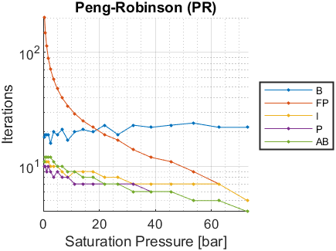
Psat [bar] | Tsat-B [K] | Iterations-B | Tsat-FP [K] | Iterations-FP | Tsat-I [K] | Iterations-I | Tsat-P [K] | Iterations-P | Tsat-AB [K] | Iterations-AB
0.475 | 221.4171 | 18 | 221.417 | 202 | 221.4171 | 11 | 221.4174 | 10 | 221.4173 | 11
0.773 | 231.6198 | 19 | 231.6194 | 149 | 231.6197 | 11 | 231.6196 | 10 | 231.6197 | 12
1.203 | 241.8182 | 19 | 241.8181 | 114 | 241.8182 | 11 | 241.8182 | 9 | 241.8182 | 12
1.802 | 252.0261 | 19 | 252.0261 | 89 | 252.0262 | 11 | 252.0262 | 10 | 252.0262 | 12
2.608 | 262.2119 | 16 | 262.2119 | 71 | 262.212 | 10 | 262.212 | 9 | 262.212 | 12
3.664 | 272.3844 | 20 | 272.3844 | 58 | 272.3845 | 10 | 272.3845 | 8 | 272.3845 | 11
5.014 | 282.5364 | 19 | 282.5363 | 48 | 282.5364 | 10 | 282.5364 | 9 | 282.5363 | 10
6.702 | 292.6537 | 21 | 292.6536 | 40 | 292.6536 | 9 | 292.6536 | 8 | 292.6537 | 10
8.774 | 302.7348 | 17 | 302.7347 | 34 | 302.7347 | 8 | 302.7347 | 8 | 302.7348 | 9
11.27 | 312.7545 | 20 | 312.7545 | 29 | 312.7545 | 9 | 312.7545 | 7 | 312.7545 | 9
14.25 | 322.7622 | 21 | 322.7622 | 25 | 322.7622 | 9 | 322.7622 | 7 | 322.7622 | 8
17.76 | 332.7435 | 20 | 332.7435 | 22 | 332.7435 | 9 | 332.7435 | 7 | 332.7435 | 8
21.85 | 342.6973 | 23 | 342.6973 | 19 | 342.6973 | 8 | 342.6973 | 7 | 342.6972 | 7
26.65 | 352.7781 | 19 | 352.7781 | 17 | 352.7781 | 8 | 352.7781 | 7 | 352.7781 | 7
32.17 | 362.8568 | 23 | 362.8568 | 14 | 362.8568 | 7 | 362.8568 | 7 | 362.8568 | 6
38.44 | 372.8864 | 22 | 372.8864 | 12 | 372.8864 | 7 | 372.8864 | 6 | 372.8864 | 6
45.54 | 382.9037 | 23 | 382.9037 | 11 | 382.9037 | 7 | 382.9037 | 6 | 382.9037 | 6
53.57 | 392.9538 | 24 | 392.9538 | 9 | 392.9538 | 7 | 392.9538 | 5 | 392.9538 | 5
62.68 | 403.1121 | 22 | 403.1121 | 7 | 403.1121 | 7 | 403.1121 | 5 | 403.1121 | 5
72.84 | 413.2461 | 22 | 413.2461 | 5 | 413.2461 | 5 | 413.2461 | 4 | 413.2461 | 4

